sheet1
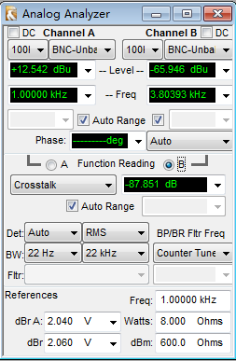
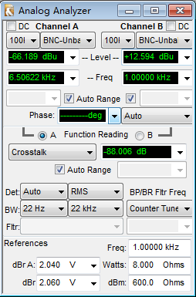
Test Standards – Enabling the Analog Operational Amplifier |  |  |  |  |  |  |  | PLL=1188M
 |  |  |  |  |  |  |  | 48 kHz sampling rate, 16-bit width, stereo
No. | Test Item | Test Signal | Test Stream | Test Script | Audio Channel | Requirement | Unit
1 | Output level | 1 kHz –20 dBFs sine wave | level_2ch_1KHz_20dBFS.pcm | level.at27 | Audio-left channel | ≥ -8 | dBu | -7.462
 |  |  |  |  | Audio-right channel |  |  | -7.412
 |  | 1 kHz 0 dBFs sine wave | levelmax_2ch_1KHz_0dBFS.pcm |  | Audio-left channel | ≥ 12 |  | 12.54
 |  |  |  |  | Audio-right channel |  |  | 12.589
2 | SNR (unweighted) | 1 kHz –20 dBFs sine wave and no audio output | mute_16bit_2ch.pcm(record) levelmax_2ch_1KHz_0dBFS.pcm | level.at27 | Audio-left channel | ≥ 70 | dB | 84.766
 |  |  |  |  | Audio-right channel |  |  | 84.795
3 | Distortion degree (THD+N) | 1 kHz 0 dBFs sine wave | levelmax_2ch_1KHz_0dBFS.pcm | level.at27 | Audio-left channel | ≤ 1.0 | % | 0.00729%
 |  |  |  |  | Audio-right channel |  |  | 0.00726%
 |  | 20 Hz to 20 kHz –20 dBFs sine wave | freqstep_20Hz_20kHz_20dBFS.pcm | THDvsFreq.at2c | Audio-left channel | ≤ -60 | dB | -61.137
 |  |  |  |  | Audio-right channel |  |  | -60.483
4 | Amplitude-frequency characteristic | 20 Hz to 20 kHz –20 dBFs sine wave | freqstep_20Hz_20kHz_20dBFS.pcm | AmpvsFreq.at2c | Audio-left channel | (+1/-1) | dB | 0, -0.34
 |  |  |  |  | Audio-right channel |  |  | 0.001, -0.29
5 | Difference between the level of the audio-left channel and that of the audio-right channel | 20 Hz to 20 kHZ –20 dBFs sine wave | freqstep_20Hz_20kHz_20dBFS.pcm | AmpvsFreq.at2c |  | ≤ 0.5 | dB | 0.1
6 | Difference between the phase of the audio-left channel and that of the audio-right channel | 20 Hz to 20 kHZ –20 dBFs sine wave | freqstep_20Hz_20kHz_20dBFS.pcm | PhasevsFreq.at2c |  | ≤ 5 | ° | 0.22
7 | Crosstalk of the audio-left and audio-right channels | 1 kHz 20 dBFs sine wave | crosstalk_1KHz_0dBFS.pcm | crosstalk.at27 | Audio-left channel | ≤ -76 | dB | -87.851
 |  |  |  |  | Audio-right channel |  |  | -88.006

图八
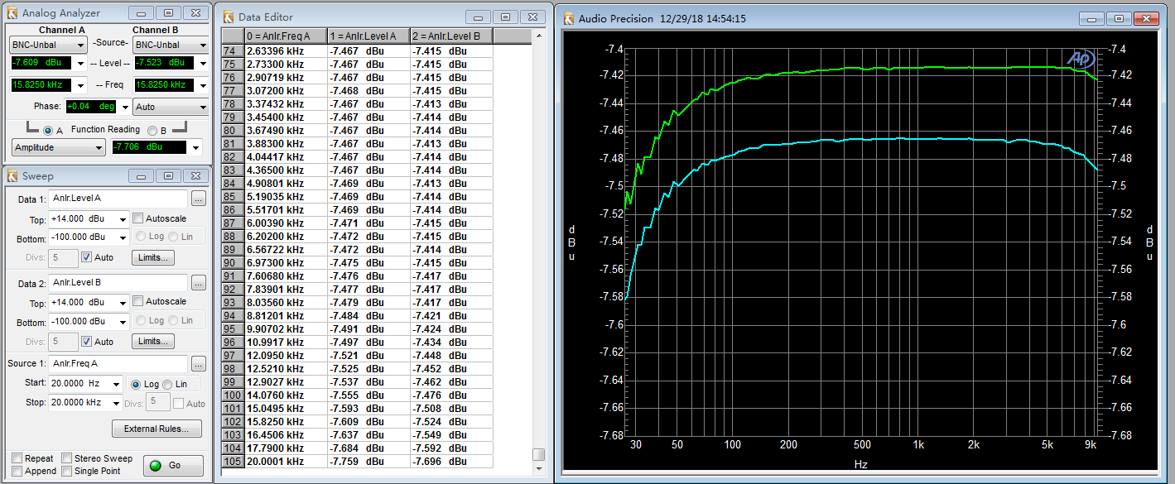

图九
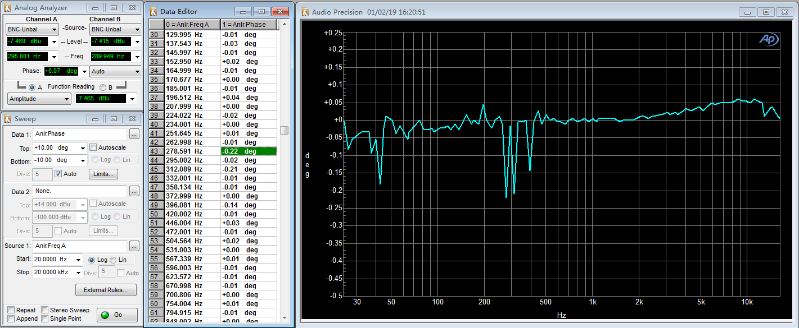

图十

